Data Cleaning Insights Report
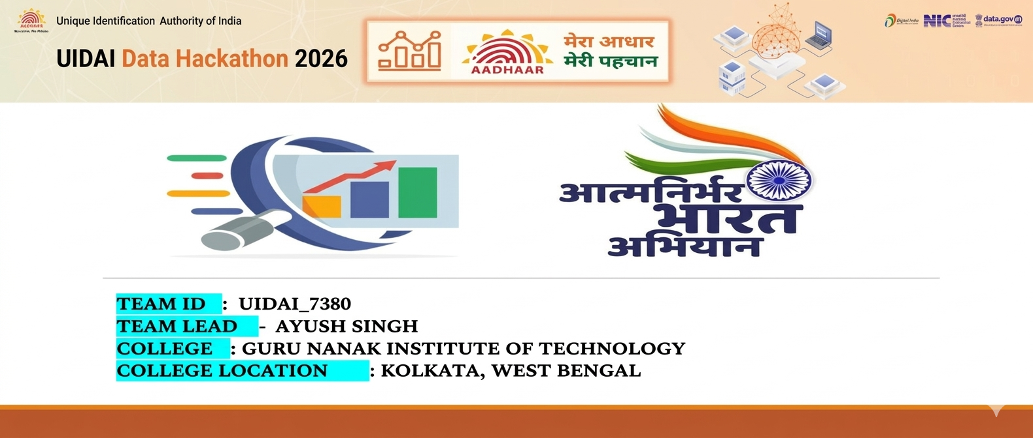
Field | Value
Project Title | UIDAI Datathon 2026 – Data Cleaning Insights Report
Date | 2026-01-19
Prepared By | Principal Data Quality Engineer
Dataset Coverage | Enrollment, Demographics, Biometric
Summary | This workbook contains structured anomalies, data gaps, and cleaning insights extracted from the initial processing phase.
Source Note | Strictly generated from cleaning insights images (no raw CSV provided).

